Manual for commenter
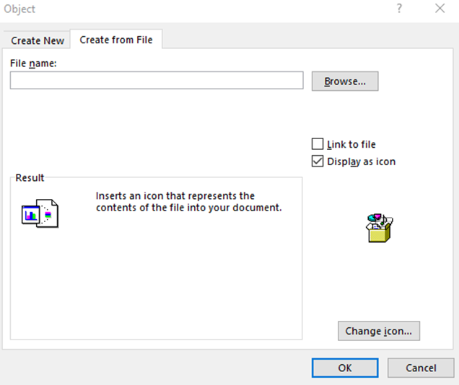
How to submit comments with this template?
User manual

Dear commenter,
Thank you for using the proposed template. It will make the review of your comments by the drafting team much easier.
This template is easy to use. However, you may find the following recommendations useful.
• The main difference when writing in Excel compared to Word is that to start a new paragraph within a cell, you should press Enter + Alt. If you press Enter only you will go to the cell below.
• Another difference is that the cells can be set up so that certain characters are not allowed, or a cell cannot be filled in if another hasn’t been filled in previously.
More details about each column follow:
▪ column B “Name of organisation or individual*”: this is set up as free text; if you want to submit a comment (column F) or propose a change (column G), you necessarily need to fill in this column.

▪ column C “Line from*”: this is set up to allow numbers only. If you want to submit a general comment, please enter 0 (zero); As the previous column, this needs to be filled in if you want to complete column F or column G. In case of doubt regarding the line numbering to use please refer to the line numbering of the version published on ICH website

▪ column D “Line to*”: see column C. If your comment applies to a single line, repeat the number of column C.

▪ column E “section number”: this is set up to allow numbers only. This column doesn’t not necessarily need to be filled in to complete column F or column G but we strongly recommend you to complete it; this will make the review of the comments easier.

▪ column F “Comment and rationale”: it is not possible to fill in this column if columns B, C and/or D are not filled in. An error message will appear if B, C and/or D are empty. This column has been set up as wide as possible to allow long comments (up to 32,767 characters). Old versions of Excel display only the first 1,024 characters but for later versions of Excel (after Excel 2003) Microsoft changed the display limits to match those of the cell entry limits, i.e up to 32,767 characters.

▪ column G “Proposed changes / recommendation (if applicable)”: See column F.

How to submit comments with this template?
Additional tips

How to format your comment/part of your comment:

To format the whole text within a cell you may select the cell and apply the desired format.
If you want to format only part of your comment (e.g. change the font colour, write a few words in italic, bold, or strike a few words through), you should double click on the cell or go to the formula field.

How to make a comment that isn’t a text

To make a comment that isn’t a text, e.g. submit a table, a graph, or send a publication as PDF, you are invited to embed a document (Word or other as appropriate) to the Excel cell.

To embed a document: Select the cell into which you want to insert your file (due to the setup restrictions you will need to go to a cell below the pre-formatted ones, i.e. below line 70 of the proposed template). Go to the "Insert " tab in your menu options and take note of the options in the "Text" section. Click "Object" and "Create from File " to open your computer files. Navigate to your saved document. Click "OK" to insert the document.

The content of the document will be copied in the cell unless you click on “display as icon”. You can also embed illustrations or any other formats.

